Sheet1
 |  | Document No. | Issue No. | Issue Date |  | Review and Replace Date |  | Authorised By
 |  | GFF272MC | 2 | 19.02.2021 |  | 23.12.2021 |  | Magda Shah
 |  | Document Title | 25 Duck Spring Rolls 1250g

Document amendments reason for change |  | Film Updated |  | Page 1 of 1 | Previous Issue Date |  | 19.02.2021 | Uncontrolled copy unless signed original

CDSRM-B25TEB | BOOTHS |  | 25 Duck Spring Rolls 1250g | CHILLED
STEP 1 |  |  |  |  | STEP 2
 |  |  |  |  | 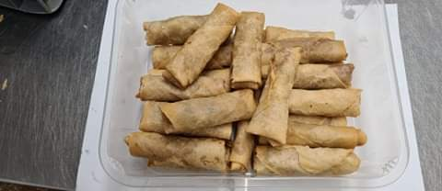
COOK
+
10 DAYS
NON GAS

DEFROST
+
8 DAYS

Tray: H320/100-CLEAR (554) (PKNUT001-06) |  |  |  |  | 25 x Duck Spring Roll Medium 50G (GFF166R): 1250g (25 pieces)

Film: S340AF(PE) 340mmX510m (PKPRO001-17)

TOTAL WEIGHT: 1250g

ALLERGY ALERT: Wheat, Soya, Sesame

